Instructions
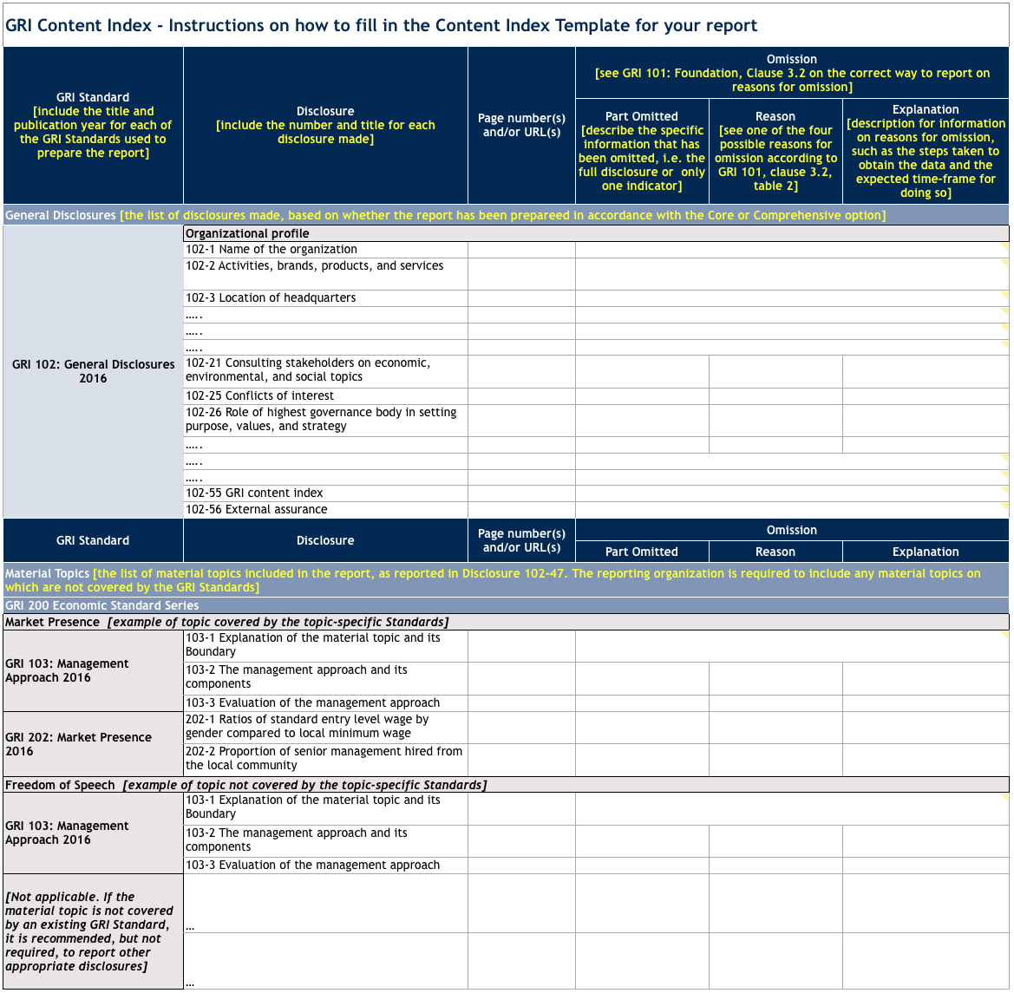
Reasons for omission:
Reasons for omission can be used if, in exceptional cases, an organization cannot report a disclosure that is required for reporting in accordance with the GRI Standards (either Core or Comprehensive option).

How to include Reasons for omission for the applicable disclosures (for instance see Disclosure 202-2):
Go to the cell of Disclosure 202-2 in the Content Index Template Tab. Right click and select " Delete Comment". Click on the Merge & Center button in the Home menu of Excel to unmerge the cells. The pre-defined fields for Omission should appear.

